Sheet1
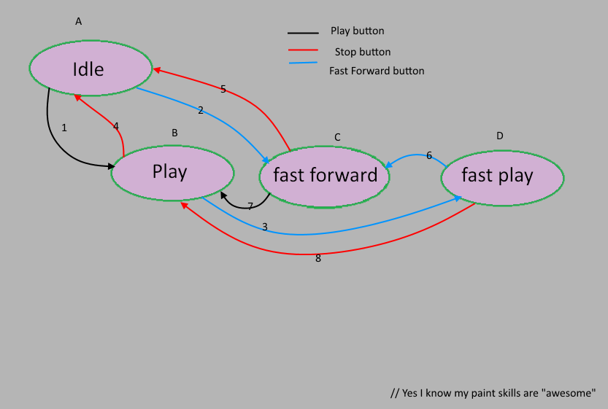
0 - switch |  | 1 - switch
A1 | A2 | A1B3 | A1B4 | A2C5 | A2C7
B3 | B4 | B4A1 | B4A2 | B3D6 | B3D8
C5 | C7 | C5A1 | C5A2 | C7B3 | C7B4
D6 | D8 | D6C7 | D6C5 | D8B3 | D8B4

